Papers
Search string | Title | Author | Year | Link | Link to doc | Short description
Human adoption AI agents | Factors influencing users' adoption and use of conversational agents: A systematic review | Erin Chao Ling, Iis Tussyadiah, Aarni Tuomi, Jason Stienmetz, Athina Ioannou | 2021 | https://doi.org/10.1002/mar.21491 | https://docs.google.com/document/d/1SPwaOyDtTSxfXSKOXgxBCxpCaR2GA3MWDR4hiRhuQ-8/edit?tab=t.0#heading=h.tizwl2f0nhul | provides one of the most comprehensive overviews to date of the determinants of AI adoption in organizational settings. It synthesizes findings from 90 peer-reviewed studies and proposes a holistic conceptual model connecting individual, organizational, technological, social, and environmental factors.
AI adoption | Exploring the factors driving AI adoption in production: a systematic literature review and future research agenda | Heimberger et al | 2024 | https://doi.org/10.1007/s10799-024-00436-z | https://docs.google.com/document/d/1SPwaOyDtTSxfXSKOXgxBCxpCaR2GA3MWDR4hiRhuQ-8/edit?tab=t.0#heading=h.9aqrefjsg8iy | Comprehensive review of 47 peer-reviewed studies analyzing how and why artificial intelligence (AI) is adopted in production and manufacturing environments.
Adoption AI agents | Adoption of AI and Agentic Systems: Value, Challenges, and Pathways | Ankit Chopra | 2025 | https://cmr.berkeley.edu/assets/documents/pdf/2025-08-adoption-of-ai-and-agentic-systems-value-challenges-and-pathways.pdf | https://docs.google.com/document/d/1SPwaOyDtTSxfXSKOXgxBCxpCaR2GA3MWDR4hiRhuQ-8/edit?tab=t.0#heading=h.f6nzybkm7w91 | presents a strategic overview of how organizations can capture value from AI and agentic systems while managing major adoption challenges.
Adoption AI agents | Determinants and Barriers of Artificial Intelligence Adoption – A Literature Review | Radhakrishnan & Chattopadhyay | 2020 | https://inria.hal.science/hal-03701824/document | https://docs.google.com/document/d/1SPwaOyDtTSxfXSKOXgxBCxpCaR2GA3MWDR4hiRhuQ-8/edit?tab=t.0#heading=h.y46nr9uaui6i
Adoption AI agents | Determinants of artificial intelligence adoption: research themes and future directions | Ahmad A. Khanfar1 · Reza Kiani Mavi1 · Mohammad Iranmanesh2 · Denise Gengatharen1 | 2024 | https://link.springer.com/content/pdf/10.1007/s10799-024-00435-0.pdf | https://docs.google.com/document/d/1SPwaOyDtTSxfXSKOXgxBCxpCaR2GA3MWDR4hiRhuQ-8/edit?tab=t.0#heading=h.n3xndpokmg8t | Bibliometric and content analysis of 91 peer-reviewed studies published between 1984 and 2022. It identifies the main research trends, theories, and factors influencing AI adoption in organizations.
Adoption AI agents | Factors influencing the adoption of artificial intelligence systems: A systematic literature review | Khanfar et al | 2025 | https://ro.ecu.edu.au/cgi/viewcontent.cgi?article=6835&context=ecuworks2022-2026 | https://docs.google.com/document/d/1SPwaOyDtTSxfXSKOXgxBCxpCaR2GA3MWDR4hiRhuQ-8/edit?tab=t.0#heading=h.9420byt120jc | provides one of the most comprehensive overviews to date of the determinants of AI adoption in organizational settings. It synthesizes findings from 90 peer-reviewed studies and proposes a holistic conceptual model connecting individual, organizational, technological, social, and environmental factors.
Adoption AI agents | Artificial intelligence adoption in a professional service industry: A multiple case study | Yang, Blount & Amrollahi | 2024 | https://doi.org/10.1016/j.techfore.2024.123251 | https://docs.google.com/document/d/1SPwaOyDtTSxfXSKOXgxBCxpCaR2GA3MWDR4hiRhuQ-8/edit?tab=t.0#heading=h.yski31vbjmtv | presents a comprehensive review of the factors influencing AI adoption in manufacturing organizations and proposes directions for future research.
Adoption AI agents | Factors affecting customer adoption of AI digital agents in service operations: an assessment of relative importance | Pathak & Bansal | 2024a | file:///Users/gkwant/Downloads/FactorsaffectingcustomeradoptionofAIdigitalagentsinserviceoperationsanassessmentofrelativeimportance.pdf | https://docs.google.com/document/d/1SPwaOyDtTSxfXSKOXgxBCxpCaR2GA3MWDR4hiRhuQ-8/edit?tab=t.0#heading=h.e7xdw6eef64h | Investigates what drives customers to adopt AI digital agents (AIDAs)—such as chatbots, robo-advisors, and virtual service assistants—particularly in financial service operations. This paper is good for inspiration how they did their related work/literature review
Adoption AI agents | AI as decision aid or delegated agent: The effects of trust dimensions on the adoption of AI digital agents | Pathak & Bansal | 2024b | https://doi.org/10.1016/j.chbah.2024.100094 | https://docs.google.com/document/d/1SPwaOyDtTSxfXSKOXgxBCxpCaR2GA3MWDR4hiRhuQ-8/edit?tab=t.0#heading=h.ivj2kfxb01ce | Investigates how different forms of trust shape users’ intentions to adopt AI digital agents (AIDAs) in the banking, financial services, and insurance (BFSI) sector
Adoption AI agents | Factors Inhibiting the Adoption of Artificial Intelligence at Organizational Level: A Preliminary Investigation | Alsheiabni, Cheung & Messom | 2019 | https://researchmgt.monash.edu/ws/portalfiles/portal/287736273/287674072_oa.pdf | https://docs.google.com/document/d/1SPwaOyDtTSxfXSKOXgxBCxpCaR2GA3MWDR4hiRhuQ-8/edit?tab=t.0#heading=h.6v4rzk15ijf | Explores why organizations—particularly in Australia—struggle to adopt AI technologies despite recognizing their potential value. The study uses the Technology–Organization–Environment (TOE) framework to identify and categorize the key barriers that inhibit AI adoption at the firm level.
Adoption AI agents | Insights into Technology Adoption: A Systematic Review of Framework, Variables and Items | Emon | 2023 | http://doi.org/10.26480/imcs.02.2023.55.61 | https://docs.google.com/document/d/1SPwaOyDtTSxfXSKOXgxBCxpCaR2GA3MWDR4hiRhuQ-8/edit?tab=t.0#heading=h.amli7ies6vhp | Provides a systematic overview of the main theoretical frameworks and key variables used to study technology adoption. It synthesizes findings from 50 studies (2012–2023) across business, education, and healthcare contexts.
Adoption AI agents | What factors contribute to the acceptance of artificial intelligence? A systematic review | Kelly, Kaye & Oviedo-Trespalacios | 2023 | https://doi.org/10.1016/j.tele.2022.101925 | https://docs.google.com/document/d/1SPwaOyDtTSxfXSKOXgxBCxpCaR2GA3MWDR4hiRhuQ-8/edit?tab=t.0#heading=h.6c6at5cp0u0d | The paper aims to synthesize empirical evidence on the factors influencing acceptance of artificial intelligence (AI) among users across different contexts (e.g., healthcare, education, workplaces, and consumer applications).
Adoption AI agents | Factors Influencing the AI Adoption in Organizations | Kurup & Gupta | 2022 | https://doi.org/10.1177/09726225221124035 |  | Waiting for access
Adoption AI agents | The Critical Factors Impacting Artificial Intelligence Applications Adoption in Vietnam: A Structural Equation Modeling Analysis | Phuoc | 2022 | https://doi.org/10.3390/economies10060129 | https://docs.google.com/document/d/1SPwaOyDtTSxfXSKOXgxBCxpCaR2GA3MWDR4hiRhuQ-8/edit?tab=t.0#heading=h.m84djr5airg | The study shows that in Vietnam, AI adoption at the organizational level is driven mainly by technological compatibility, managerial capability, and organizational readiness, while firm size and competitive pressure have little influence. It highlights that a well-prepared internal environment and effective managerial leadership are far more critical than external market forces for successful AI adoption.
Adoption AI agents | The Mediating Role of Attitude Towards the Technology in Shaping Artificial Intelligence Usage among Professionals | Md. Mehedi Hasan Emon & Tahsina Khan | 2025 | https://doi.org/10.1016/j.teler.2025.100188 | https://docs.google.com/document/d/1SPwaOyDtTSxfXSKOXgxBCxpCaR2GA3MWDR4hiRhuQ-8/edit?tab=t.0#heading=h.bfb3rkghnc1n | The study finds that performance expectancy, social influence, and facilitating conditions directly drive AI adoption among professionals in Bangladesh, while attitude plays a crucial mediating role—especially between effort expectancy, social influence, and adoption intention. Positive attitudes toward AI are the strongest predictor of behavioral intention, underscoring the need for trust, awareness, and organizational support to foster widespread AI use.
Adoption AI agents | Determining Factors Related to Artificial Intelligence (AI) Adoption among Malaysia’s Small and Medium-Sized Businesses | Suddin Lada et al. | 2023 | https://doi.org/10.1016/j.joitmc.2023.100144 | https://docs.google.com/document/d/1SPwaOyDtTSxfXSKOXgxBCxpCaR2GA3MWDR4hiRhuQ-8/edit?tab=t.0#heading=h.h5v0qciu2kee | This study examined AI adoption among Malaysian SMEs using a PLS-SEM model and found that organizational readiness and top management commitment are the most significant predictors of AI adoption. External factors such as competitive pressure, employee adaptability, and external support were found to be insignificant, suggesting that internal leadership engagement and firm preparedness are the primary drivers of successful AI implementation.
Adoption AI agents | A Review of Evolution of Theories and Models of Technology Adoption | Sharma & Mishra | 2014 | https://iimidr.ac.in/wp-content/uploads/2019/12/Vol6-2RETMTA.pdf | https://docs.google.com/document/d/1SPwaOyDtTSxfXSKOXgxBCxpCaR2GA3MWDR4hiRhuQ-8/edit?tab=t.0#heading=h.wwf6v8qbqwwt | Sharma & Mishra (2014) reviewed the historical evolution of technology adoption models, from DOI and TRA to UTAUT and MAPS. They highlight that while existing models explain adoption well in traditional contexts, they may fall short in explaining emerging technologies like AI and cloud computing. The paper calls for new, integrative frameworks that capture social, emotional, and contextual dimensions of technology use.
Adoption AI agents | Artificial intelligence adoption: AI-readiness at firm-level | Alsheiabni et al. | 2018 | https://researchmgt.monash.edu/ws/portalfiles/portal/273209396/254798983_oa.pdf | https://docs.google.com/document/d/1SPwaOyDtTSxfXSKOXgxBCxpCaR2GA3MWDR4hiRhuQ-8/edit?tab=t.0#heading=h.d5coohz8ooft | The paper proposes a firm-level AI-readiness framework integrating TOE and DOI perspectives. It identifies seven key factors—relative advantage, compatibility, top management support, organization size, resources, competitive pressure, and government regulations—as the primary drivers of AI adoption readiness. The study highlights that AI readiness is not merely technological but depends on organizational capability, leadership, and external environment, setting the stage for future empirical validation.
Adoption AI agents | A moderated model of artificial intelligence adoption in firms and its effects on their performance | Chen & Tajdini | 2024 | https://doi.org/10.1007/s10799-024-00422-55 | https://docs.google.com/document/d/1SPwaOyDtTSxfXSKOXgxBCxpCaR2GA3MWDR4hiRhuQ-8/edit?tab=t.0#heading=h.c8yszosgyexm | Chen & Tajdini (2025) found that top management support, customer orientation, and normative pressure significantly drive AI adoption intensity in firms, while technological opportunism is not a major predictor. Technological turbulence moderates these effects—reducing the impact of managerial support but amplifying competitive pressures—and higher AI adoption intensity leads to improved marketing performance. They made use of TOE and DOI
Adoption AI agents | Navigating Technology Adoption/Acceptance Models | Taherdoost et al. | 2024 | https://doi.org/10.1016/j.procs.2024.05.172 | https://docs.google.com/document/d/1SPwaOyDtTSxfXSKOXgxBCxpCaR2GA3MWDR4hiRhuQ-8/edit?tab=t.0#heading=h.yiaf0amvwewu | Taherdoost et al. (2024) provide a structured overview of traditional and emerging technology adoption models, emphasizing that while TAM, UTAUT, TOE, and DOI explain much of past adoption behavior, future models (PTF, EDTAF, CLTAT, STAM) must address ethics, cognition, and sociocultural diversity. The paper concludes that technology adoption research must evolve toward holistic, ethically informed frameworks to guide innovation in increasingly digital and AI-driven societies.
Adoption AI agents | An Empirical Assessment of a Modified Artificially Intelligent Device Use Acceptance Model – From the Task-Oriented Perspective | Yang, Luo & Lan | 2022 | https://doi.org/10.3389/fpsyg.2022.975307 | https://docs.google.com/document/d/1SPwaOyDtTSxfXSKOXgxBCxpCaR2GA3MWDR4hiRhuQ-8/edit?tab=t.0#heading=h.5icpblq0cr2m | Yang et al. (2022) developed and validated the Task-Oriented AI Acceptance (T-AIA) model, identifying utilitarian motivation, interaction convenience, and task–technology fit as key predictors of perceived AI competence, which in turn enhances flow experience and reduces switching intention to human service. The model highlights that perceived competence and user immersion are central to encouraging continued use of task-oriented AI systems.
Adoption AI agents | Artificial Intelligence (AI) adaptation: Analysis of determinants among Small to Medium-sized Enterprises (SME’s). | Ingalagi et al. | 2020 | https://iopscience.iop.org/article/10.1088/1757-899X/1049/1/012017/pdf | https://docs.google.com/document/d/1SPwaOyDtTSxfXSKOXgxBCxpCaR2GA3MWDR4hiRhuQ-8/edit?tab=t.0#heading=h.700og5qhzsrw | The study finds that for SMEs, the internal readiness of the organisation and leadership commitment strongly drive AI adoption, while external factors and support also matter. It highlights that SMEs face unique adoption barriers (resource constraints, skill gaps, awareness) and therefore need tailored strategies and support to implement AI successfully.
Adoption AI agents | Attitudes toward artificial intelligence: combining three theoretical perspectives on technology acceptance | Koenig | 2023 | https://doi.org/10.1007/s00146-024-01987-z | https://docs.google.com/document/d/1SPwaOyDtTSxfXSKOXgxBCxpCaR2GA3MWDR4hiRhuQ-8/edit?tab=t.0#heading=h.jkpdn2yq4n46 | Koenig (2025) proposes a unified framework for AI acceptance that distinguishes between user, delegation, and societal perspectives. The paper shows that AI acceptance depends simultaneously on perceived usefulness and usability, trust and accountability, and societal legitimacy. By integrating these dimensions, it offers a comprehensive approach to understanding how individuals and societies accept AI as a tool, autonomous agent, and social technology. Extends TAM & UTAUT by adding autonomy, accountability, and societal legitimacy as essential constructs.
Adoption AI agents | Factors influencing autonomous vehicle adoption: an application of the technology acceptance model and innovation diffusion theory | Yuen et al | 2020 | https://doi.org/10.1080/09537325.2020.1826423 | https://docs.google.com/document/d/1SPwaOyDtTSxfXSKOXgxBCxpCaR2GA3MWDR4hiRhuQ-8/edit?tab=t.0#heading=h.llg0bhcgmfrs | Yuen et al. (2020) find that perceived usefulness and ease of use are the key drivers of behavioral intention to adopt autonomous vehicles. These perceptions are, in turn, shaped by innovation attributes — particularly relative advantage, compatibility, result demonstrability, visibility, and trialability. The integrated TAM–IDT model explains a substantial share of adoption behavior, offering both theoretical depth and practical guidance for promoting emerging technologies like AVs.
Adoption AI agents | Critical Success Factors in the Adoption of Artificial Intelligence: A Necessary Condition Analysis | Solaimani & Swaak | 2022 | http://dx.doi.org/10.2139/ssrn.4234144 | https://docs.google.com/document/d/1SPwaOyDtTSxfXSKOXgxBCxpCaR2GA3MWDR4hiRhuQ-8/edit?tab=t.0#heading=h.4bkpal1l79ow | Solaimani & Swaak (2022) identify key success factors for AI adoption using Necessary Condition Analysis. They find that performance expectancy, top management support, and technical resources are the most critical enablers, while ease of use, organizational compatibility, and partner influence play supporting roles. The importance of each factor changes across adoption stages, emphasizing a multi-stage, capability-building process rather than a one-off decision.
AI adoption | Artificial intelligence adoption dynamics and knowledge in SMEs and large firms: A systematic review and bibliometric analysis | Ayinaddis | 2025 | https://doi.org/10.1016/j.jik.2025.100682 | https://docs.google.com/document/d/1SPwaOyDtTSxfXSKOXgxBCxpCaR2GA3MWDR4hiRhuQ-8/edit?tab=t.0#heading=h.vqdcqpuu938k | Ayinaddis (2025) compares AI adoption in SMEs and large firms through a systematic and bibliometric review. The study finds that SMEs adopt AI reactively, constrained by limited resources and skills, while large firms adopt it strategically for innovation and competitiveness. It concludes that AI adoption dynamics differ by firm size, requiring tailored technological, organizational, and policy support.

Paper criteria
Year of publication between 2019 and 2025
It should be written in English
It should be relevant to research topic
It should be available for full access or download

Google scholar
Snowballing

Related articles Radhakrishnan & Chattopadhyay (2020)
79

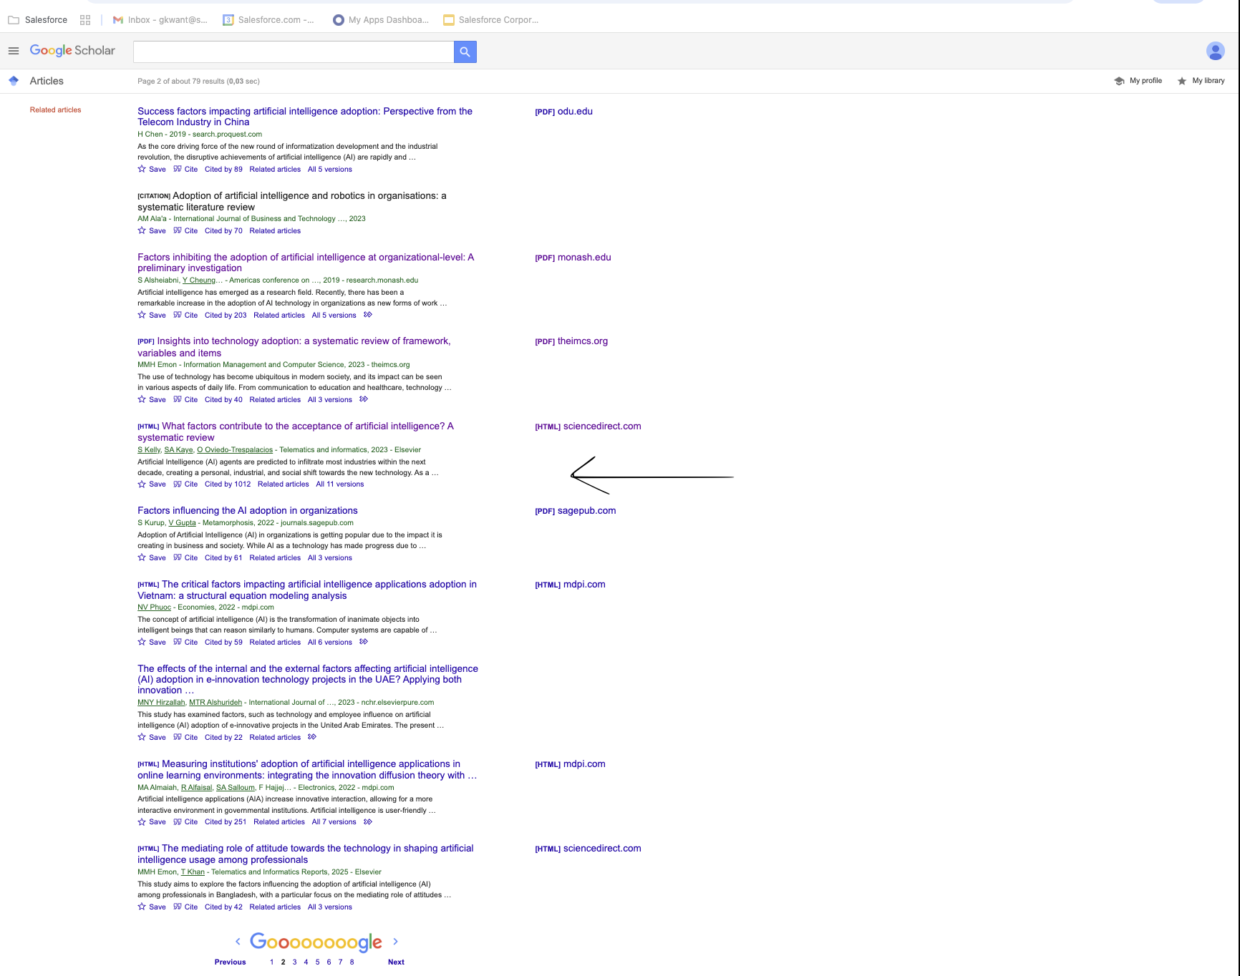

Gebleven bij: 5e article, pagina 2 van de lijst die je krijgt als je (Radha,2020) hebt op scholar

